Download program and localhost
LINKS

Lending Program
https://github.com/abi-mar/Lending/archive/refs/heads/production_branch.zip

XAMPP
https://www.apachefriends.org/download.html
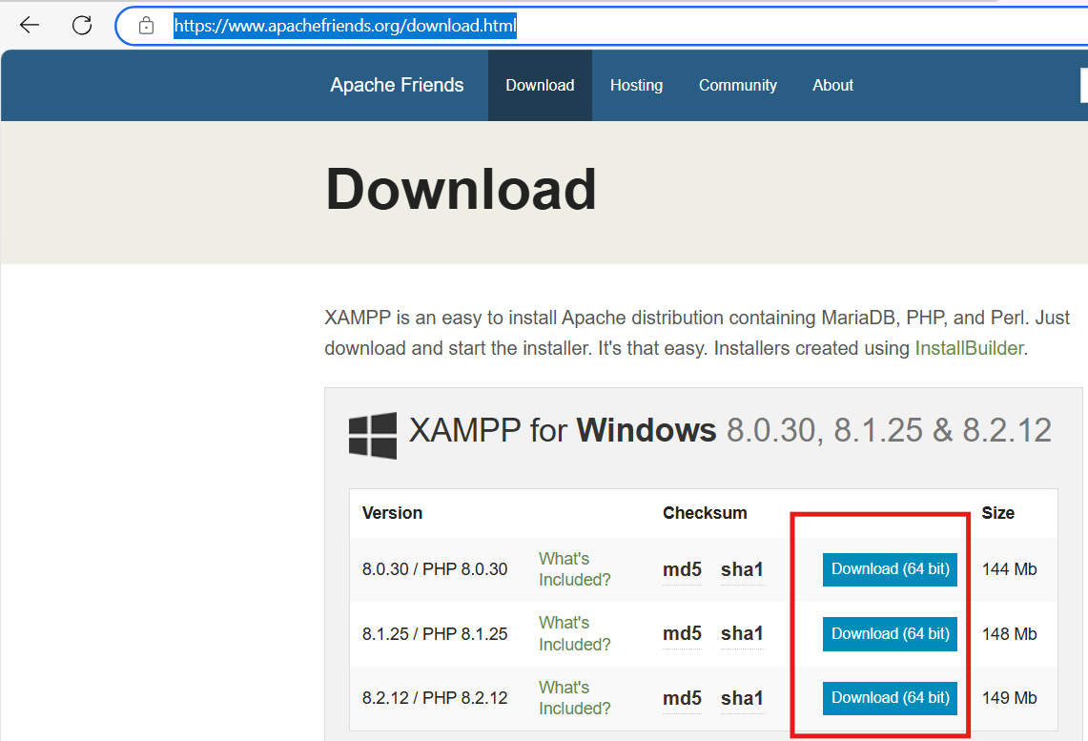

 | Choose OS and click any of the download button

Installation and Setup
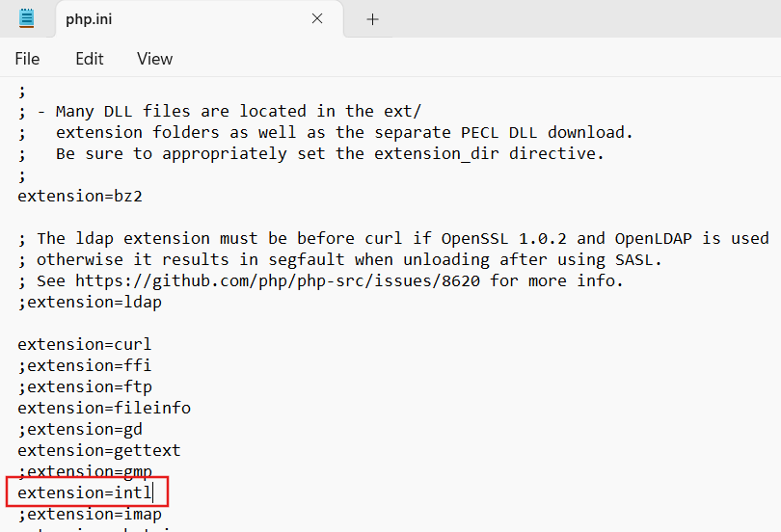
Step 1 - Install XAMPP
 | Open xampp installer and just always click NEXT.

 |  | You can choose this folder path for the xampp directory
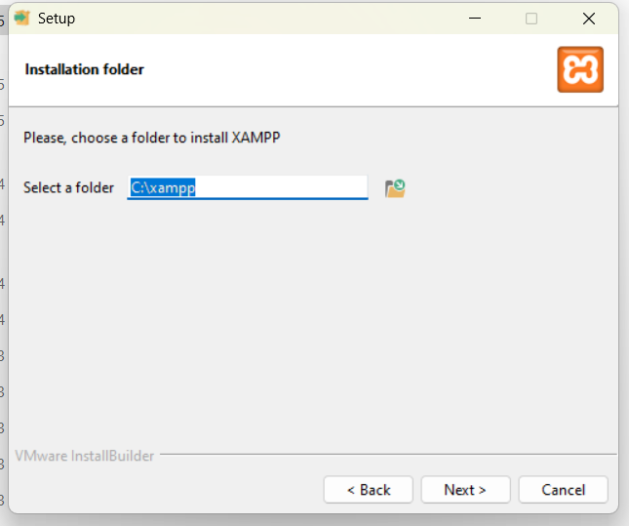

 |  | Allow access always http and mysql when asked for access
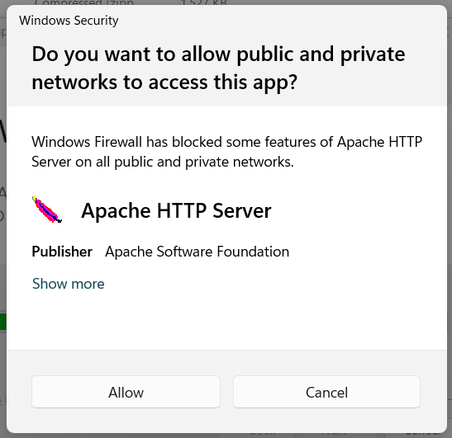

Step 2 - Setup Program

 | 1. Unzip downloaded program: Lending-production_branch
 | 2. Copy and paste the innermost folder Lending-production_branch to htdocs folder (C:\xampp\htdocs)

 | Folder C:\xampp\htdocs\Lending-production_branch should have these contents
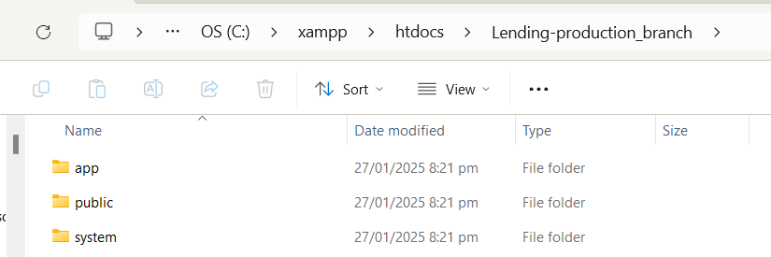

Step 3 - Setup Database

 | 1. Open XAMPP Control Panel and Click Start button for Apache and MySQL.

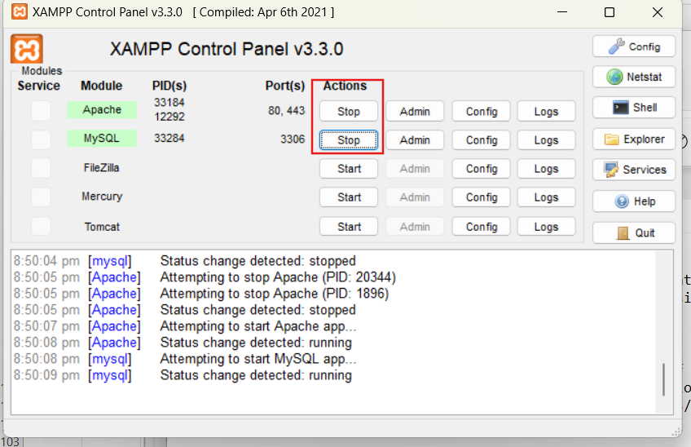

 | 2. Open http://localhost/phpmyadmin/ in any browser

 | 3. Import lending.sql
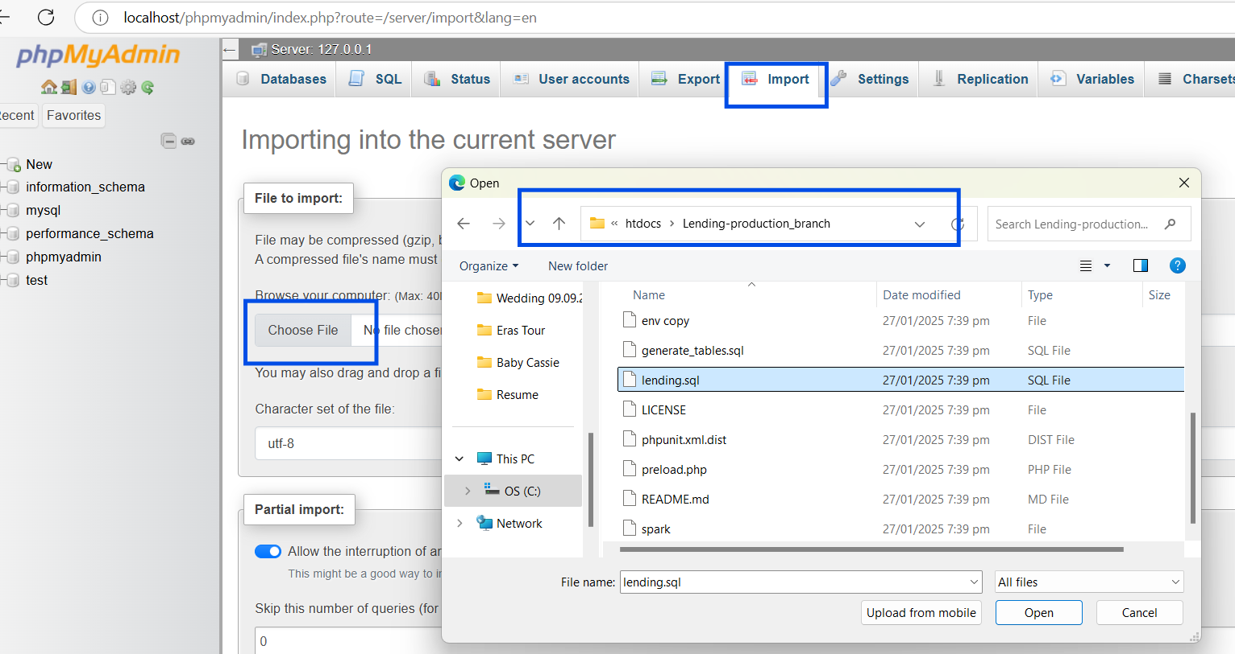

 | 4. Then click Import button below

Step 4 - Enable intl extension
 | In file C:\xampp\php\php.ini, find ";extension=intl" and remove semi-colon

Running the program
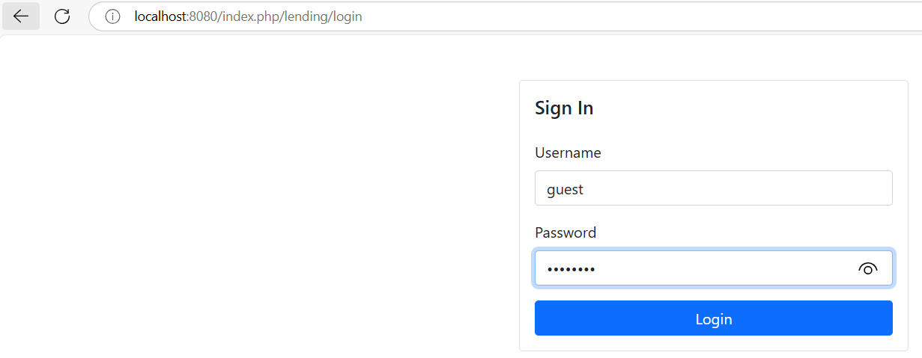
1. Start Apache and Mysql in XAMPP Control Panel
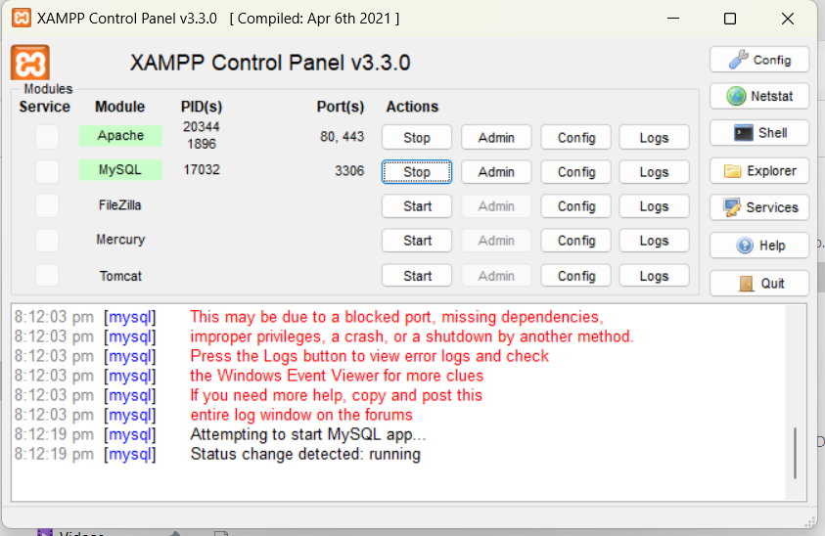

2. Run php in lending directory
 | a. Open command prompt and go to C:\xampp\htdocs\Lending-production_branch
 |  | Paste and Enter "cd C:\xampp\htdocs\Lending-production_branch" in command
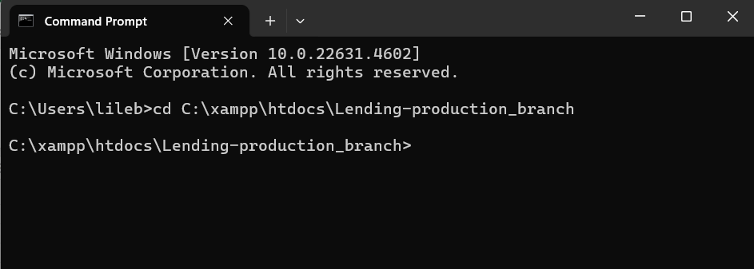

 | b. Enter "C:\xampp\php\php.exe spark serve"
 |  | provided xampp directory is installed in C:\ directory
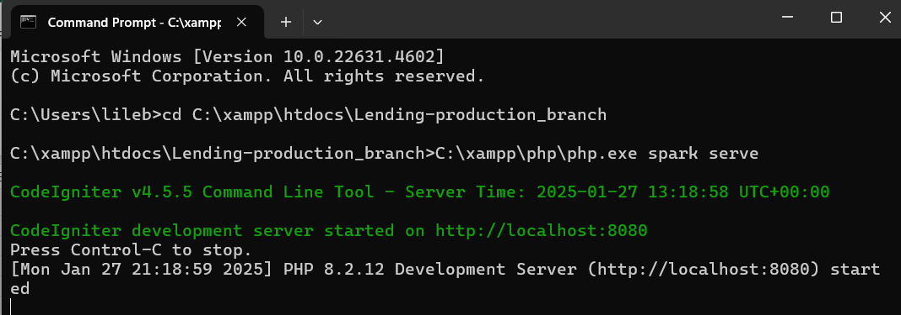

3. Open program in web browser
 | a. Open "http://localhost:8080/lending/" address in web browser
 | b. Login with credentials: username=guest password=guest123

